CoverPage
IBSVN Architecture Definitions
Strictly Confidential Internal Use Only

Version | Last update | Update by | Description
1.0 | 2015-03-24 | IBSVN training team | New
1.0 | 2015-03-31 | IBSVN training team | Finish
 | 2015-04-13 |  | G3 Review (Not Yet)

 |  |  |  | ©2014 INTELLIGENCE, Ltd. All Rights Reserved.

Overview
Technical Architecture Overview

Get Requirement
Choose Technology
Software Design
Evaluate Architecture
Code
Delivery
System, Network Monitor
Agreement
Backup

Technical detailed content

No. | Title | Explanation
1 | User Architecture | User interacts with application
2 | Load Balance | Traffic balance , support when server die
3 | System Architecture | Logical interaction between each component inside application
4 | Authorization Architecture | Define user authorizing method
5 | Business logic Layer | Allocating the different responsibilities of a software product
6 | Mobile business logic layer | Allocating the different responsibilities of a mobile software product
7 | Development Architecture | Tools, software for managing and building project
8 | Secure File Transfer Architecture | Method, ways to secure file transfer
9 | Schedule Product Architecture | Backup resource, data
10 | System Monitor Architecture | Tools, method to monitor application resources, errors
11 | Network Monitor Architecture | Observe, report and solution for network

UserArchitecture
Database Server 1
SCHEMA
SCHEMA
SCHEMA
Database Server 2
SCHEMA
SCHEMA
SCHEMA
Figure 2 Distributed Database

Database
Client 1
Client 2
Client n
.
.
Users 1
Client 1
Client 2
Client n
.
.
Client (company)
Webserver
Service
page request
page reponse
Software Application
Database (IBSVN)
Users 2
Users n
Internet
Internet

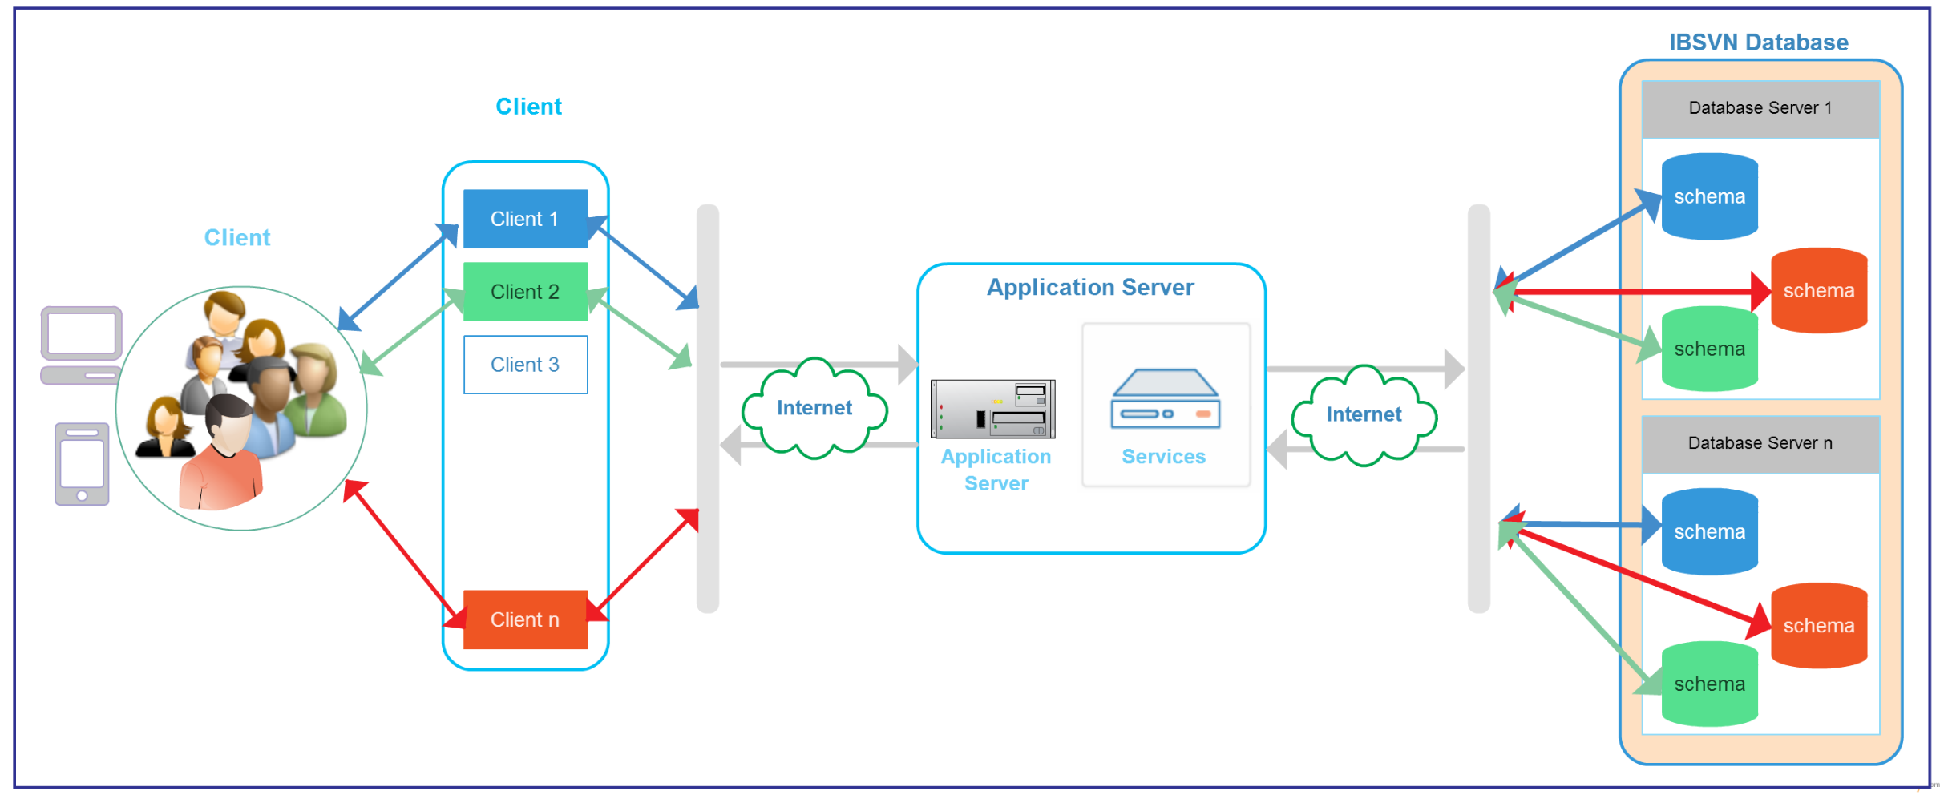

(Companies)

group of Users

LoadBalance
CLIENT TIER

Virtual Host (App Server)
Virtual IP Address x.x.2.20

Load Balancer (is a device)

Application
installed on:
HOST: SERVER 1
IP Address x.x.2.1
Application
installed on:
HOST: SERVER 2
IP Address x.x.2.2
Application
installed on:
HOST: SERVER ...
IP Address x.x.2....
Application
installed on:
HOST: SERVER n
IP Address x.x.2.n

APPLICATION TIER

DB Load balancer

DB Server 1
DB Server 2
DB Server 3
DB Server 4

DATA TIER

SystemArchitecture
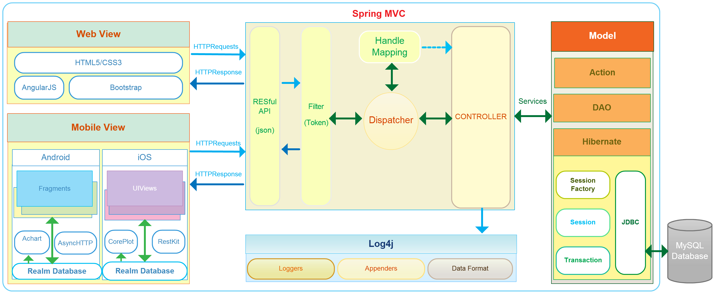

AuthorizationArchitecture
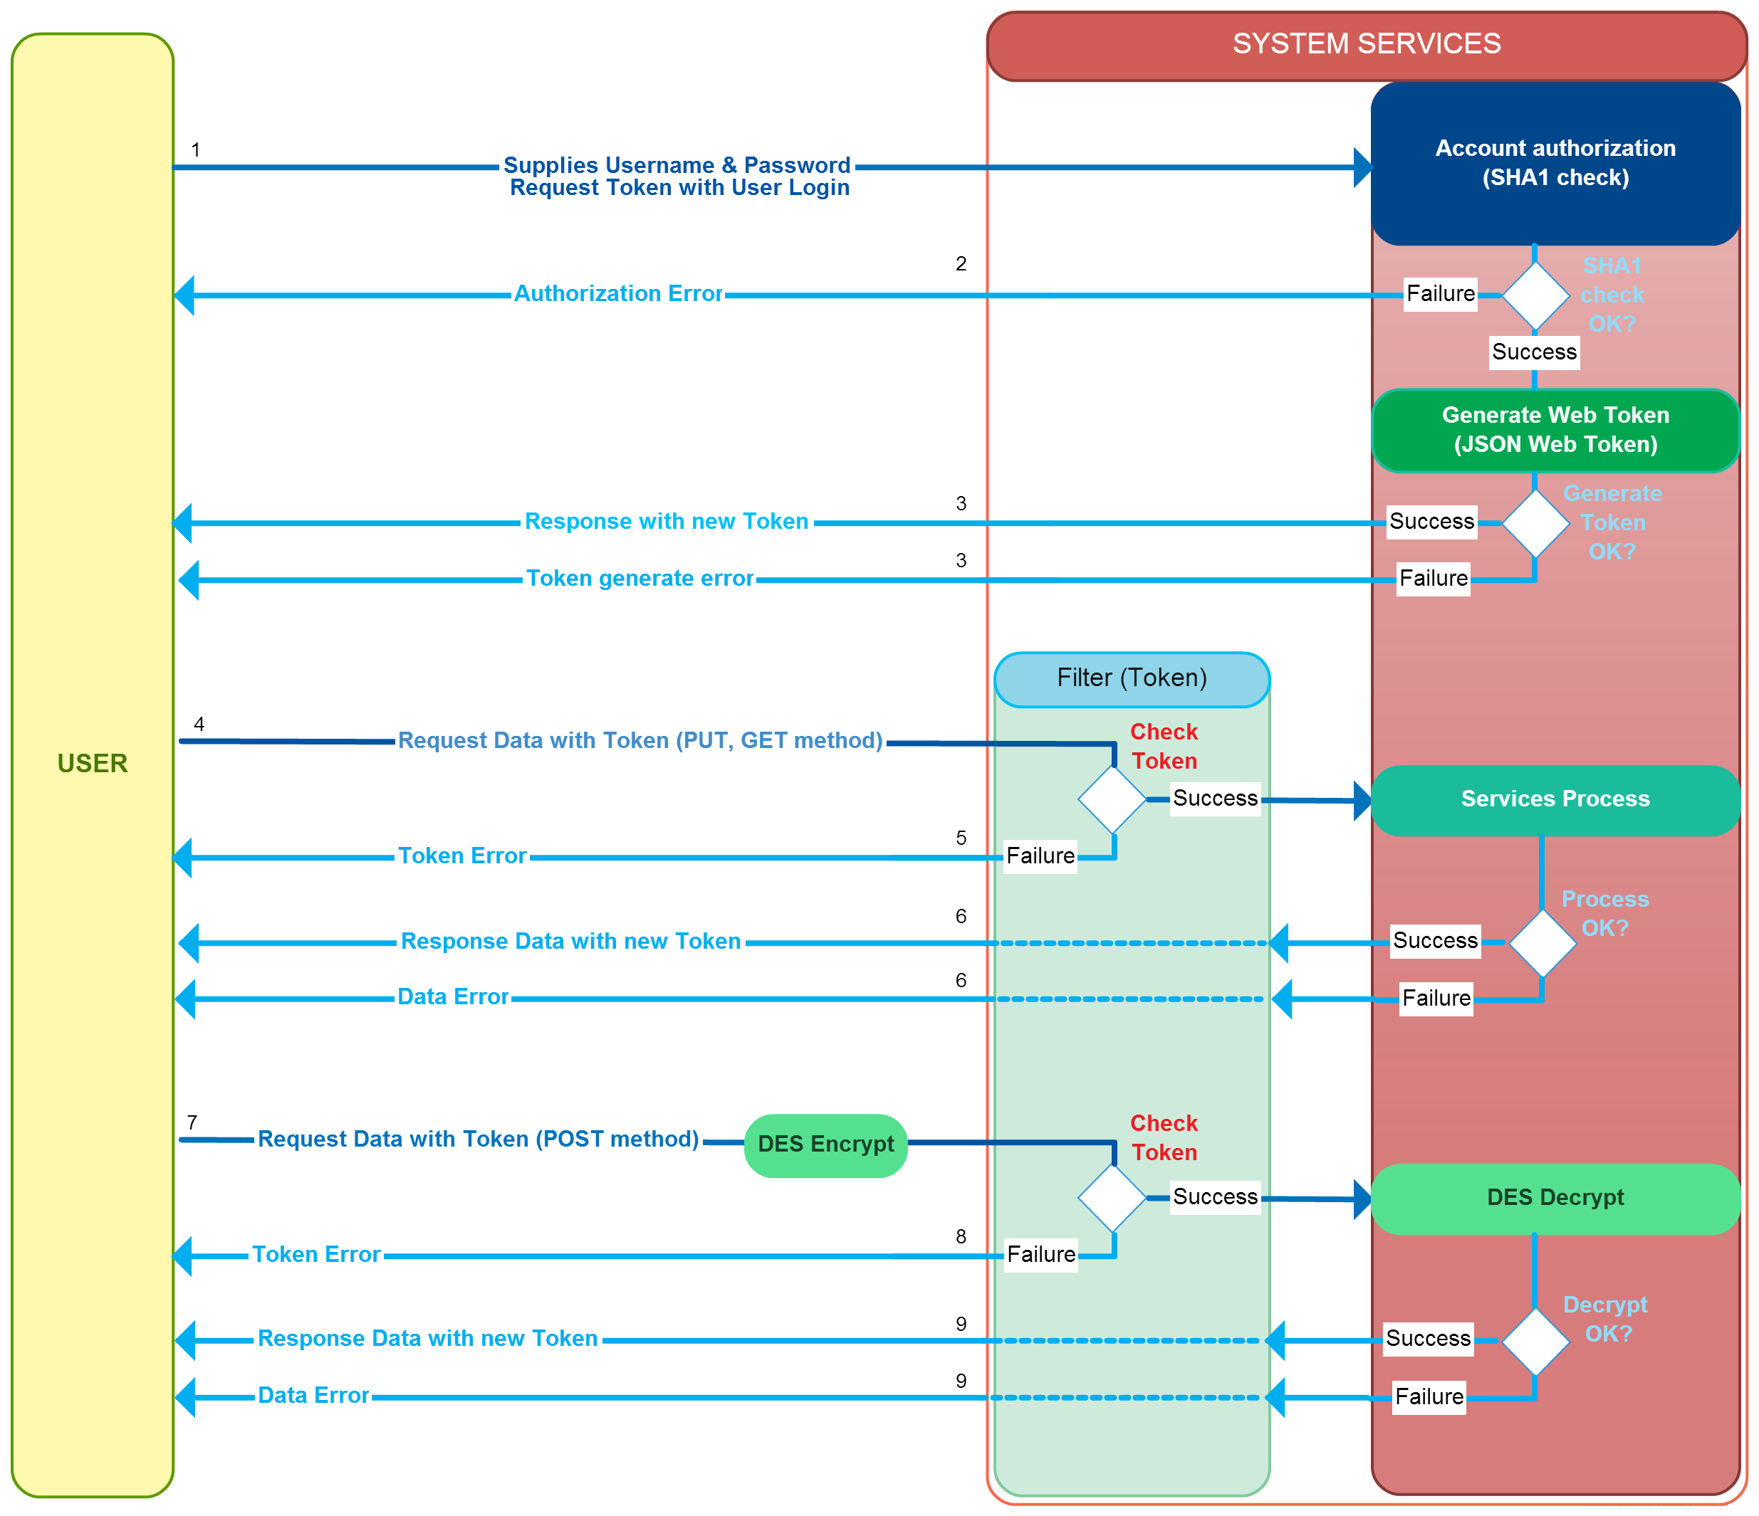

LayerArchitecture
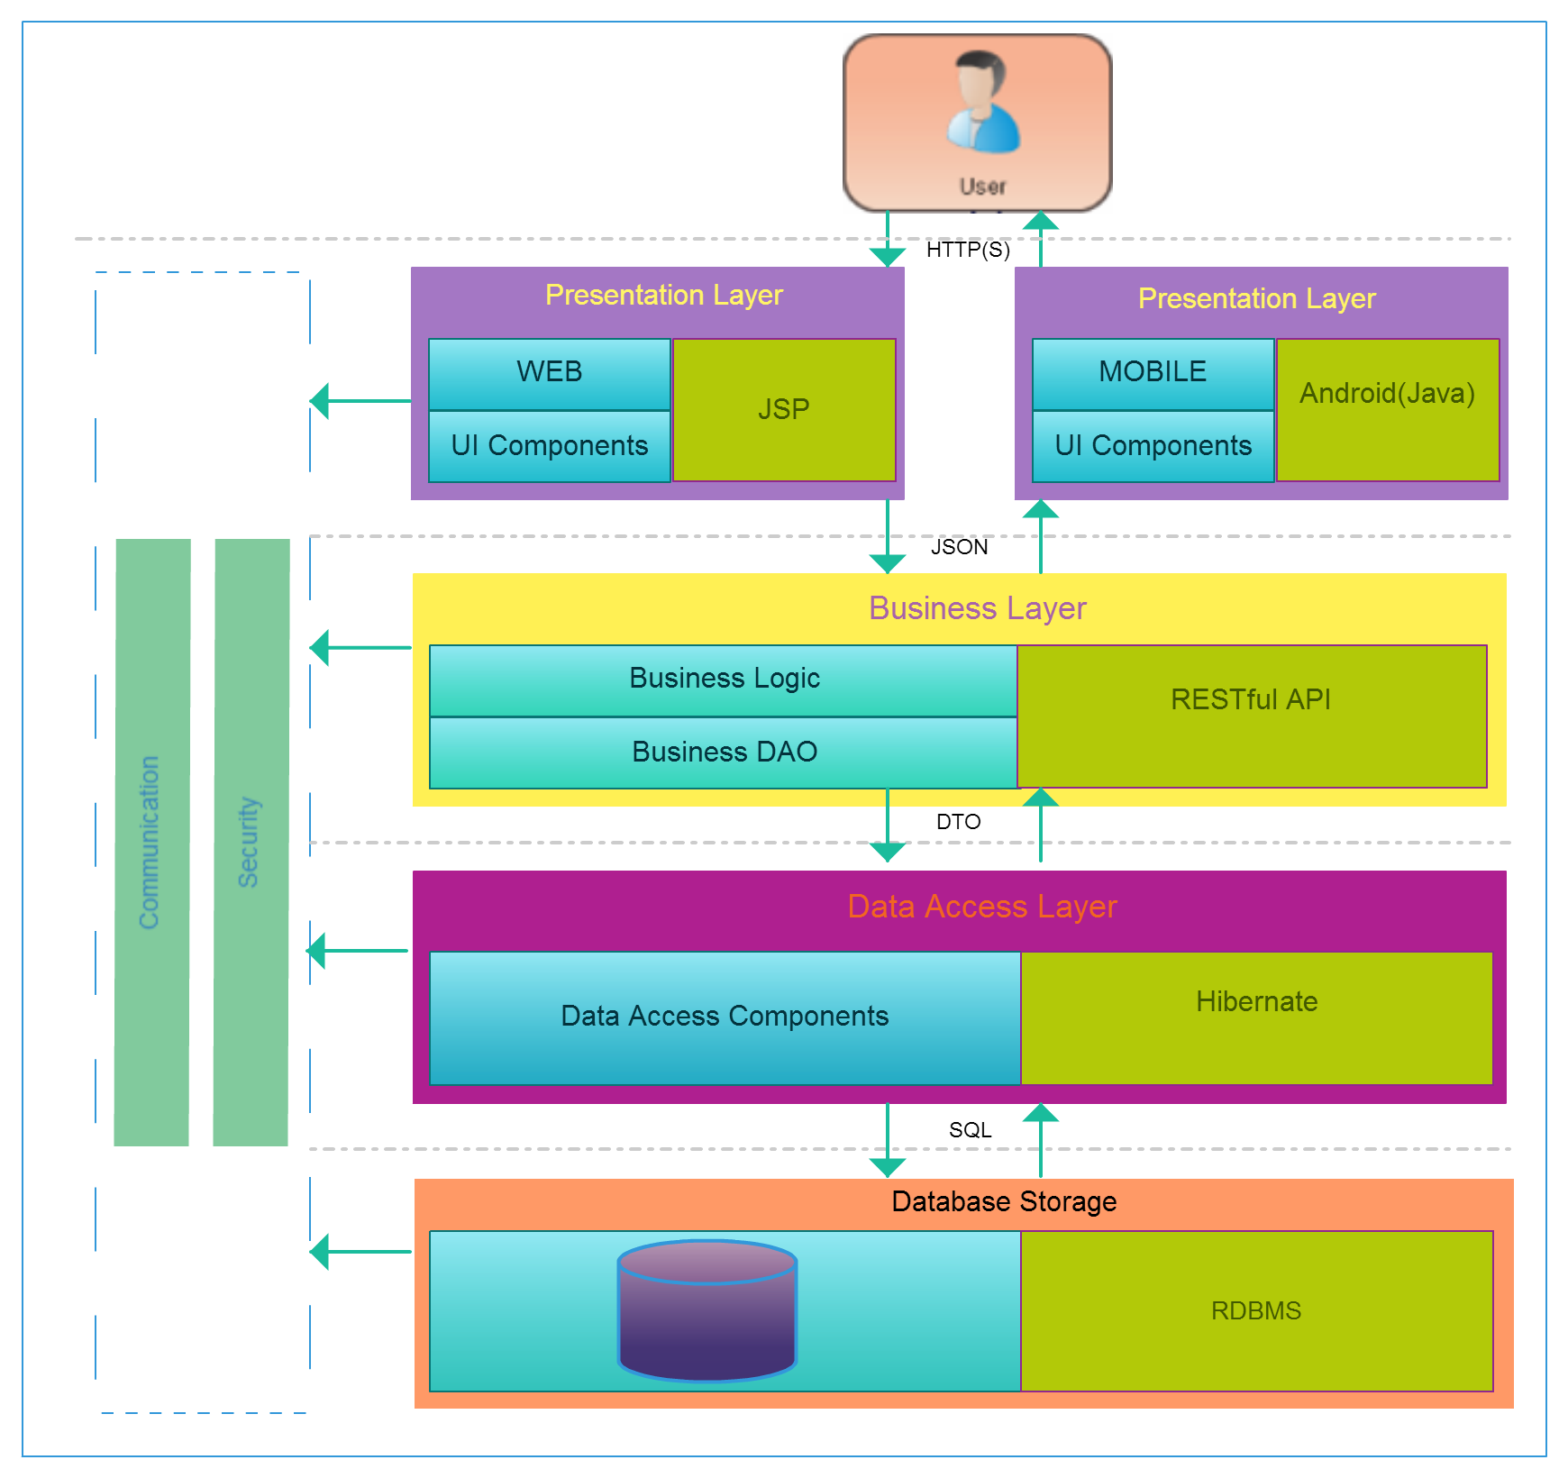

MobileArchitecture
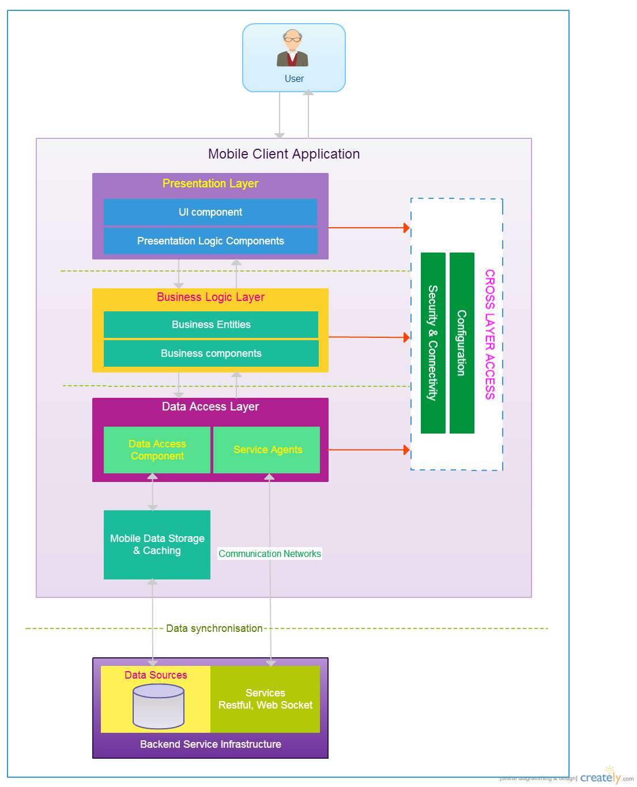

DevelopmentArchitecture
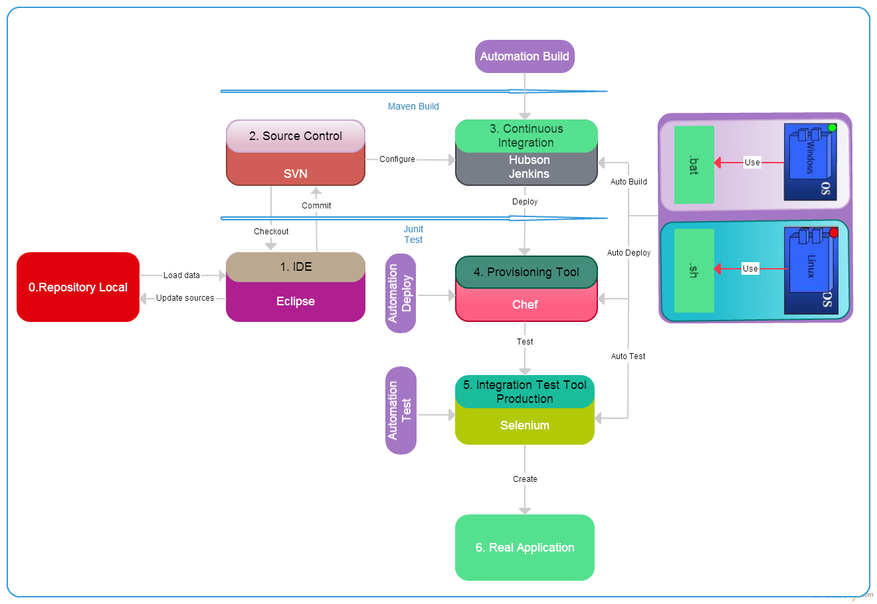

SecureFileTransfer
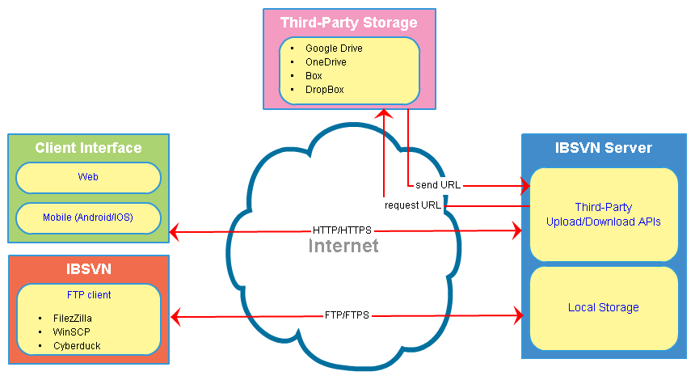

ProductSchedule
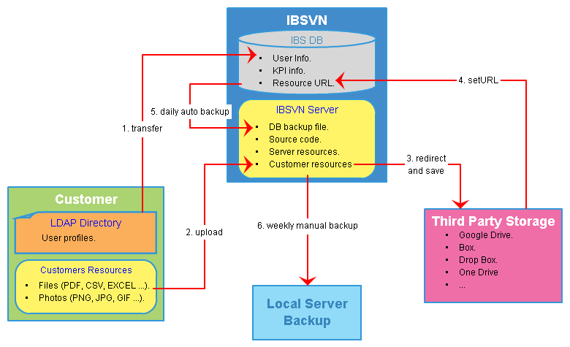

SystemMonitor
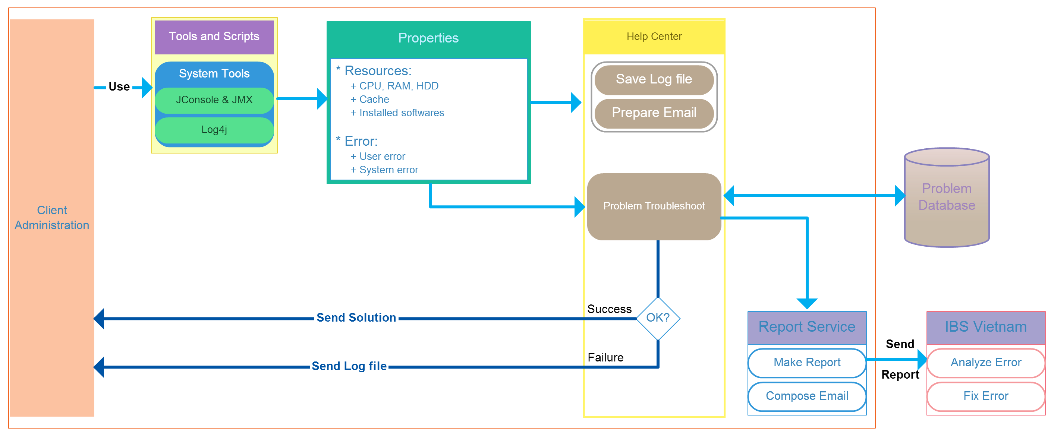
System Monitor

NetworkMonitor
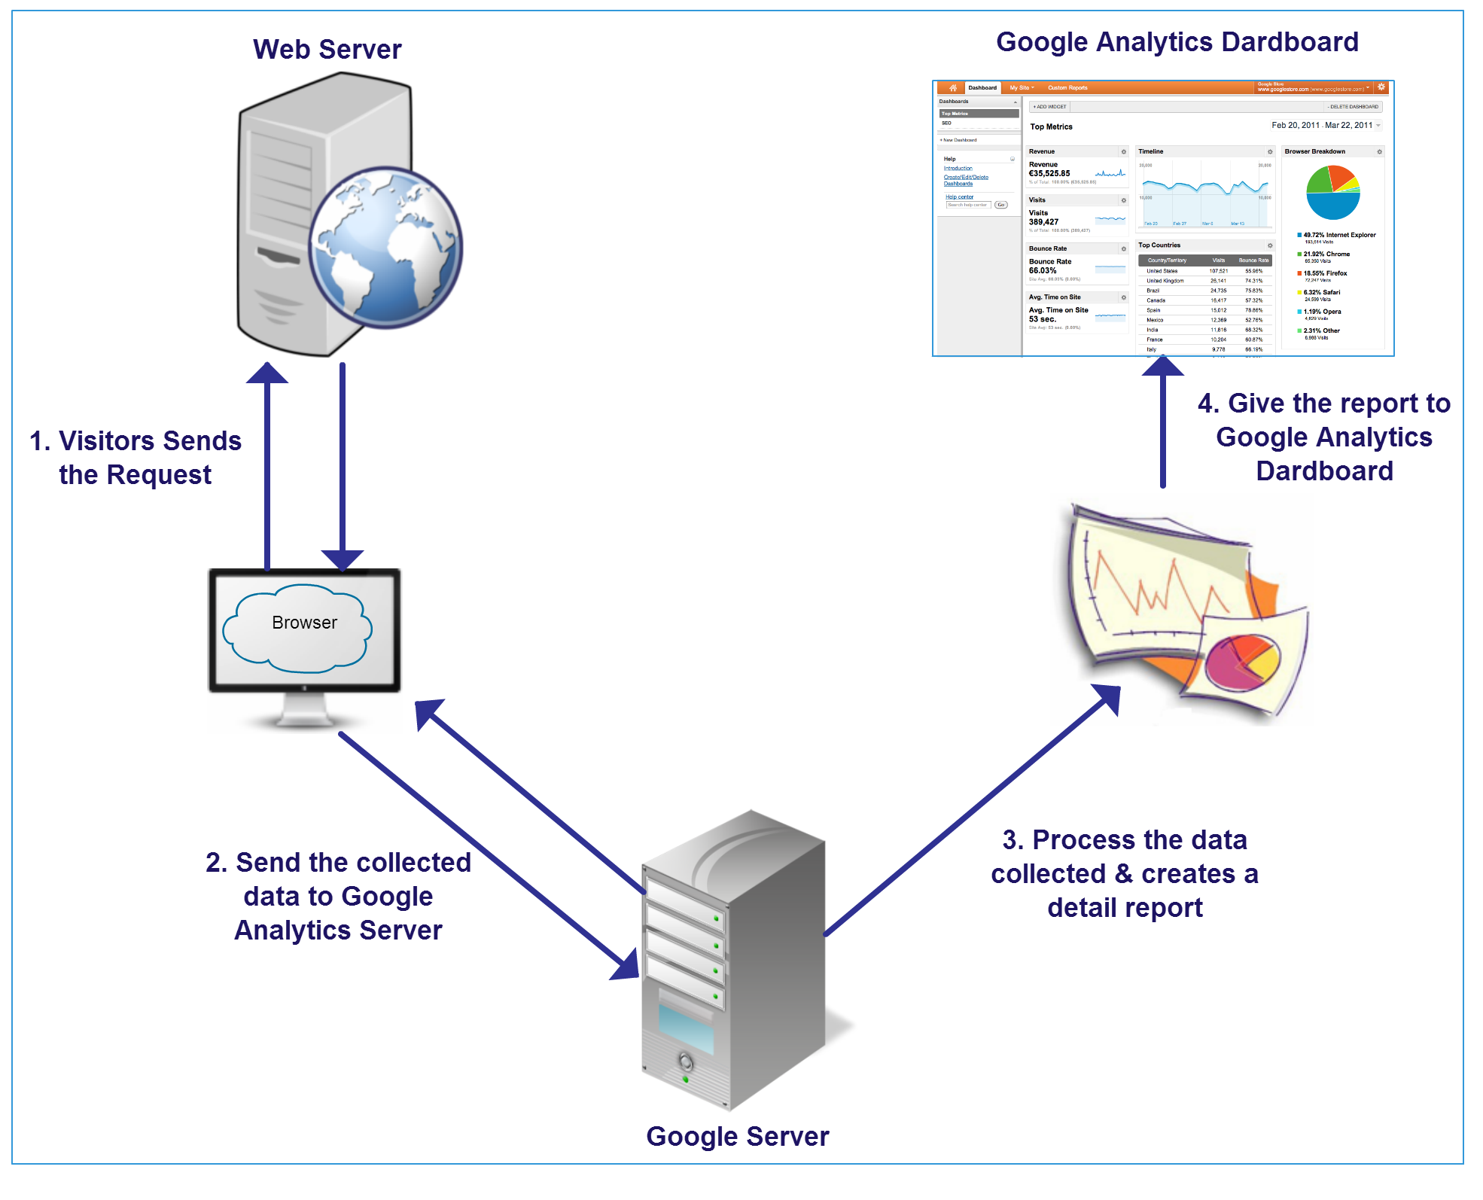
Network monitor

